Growth Rates
CUSR0000SS5703 | Outpatient hospital services - SA | Outpatient hospital services | SA | 1995 | 5 | 202.9 | 2025 | 5 | 950.013 | 5.280575441741453
CUSR0000SEMC01 | Physicians' services - SA | Physicians' services | SA | 1995 | 5 | 207.9 | 2025 | 5 | 427.488 | 2.4319989379939067

 |  | 1.0299378574

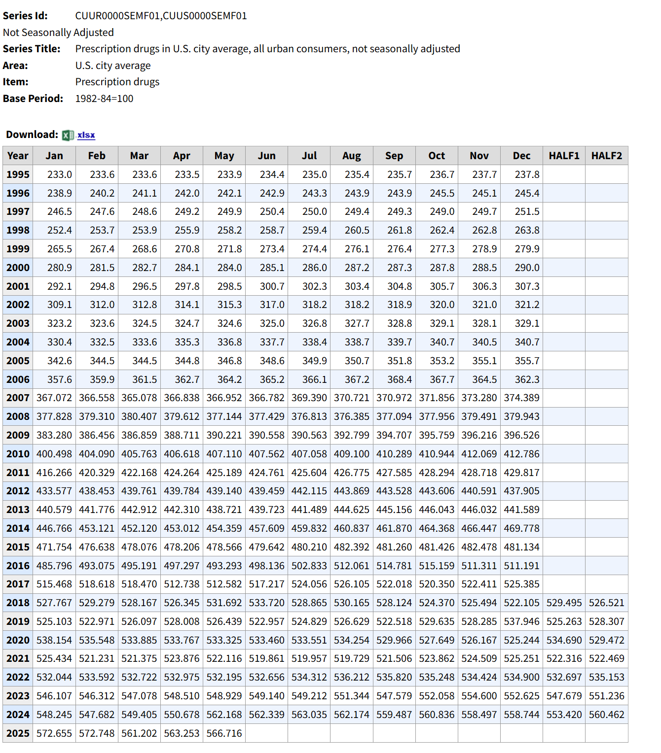

Series Id: | CUUR0000SAM2,CUUS0000SAM2
Not Seasonally Adjusted
Series Title: | Medical care services in U.S. city average, all urban consumers, not seasonally adjusted
Area: | U.S. city average
Item: | Medical care services
Base Period: | 1982-84=100

Download:

Year | Jan | Feb | Mar | Apr | May | Jun | Jul | Aug | Sep | Oct | Nov | Dec | HALF1 | HALF2
1995 | 219.8 | 221.3 | 221.8 | 222.4 | 223 | 223.5 | 224.6 | 225.6 | 226.1 | 226.9 | 227.4 | 227.8 | 222 | 226.4
1996 | 229.3 | 230.3 | 230.7 | 231.1 | 231.6 | 231.9 | 232.9 | 233.4 | 233.6 | 234.2 | 234.9 | 235 | 230.8 | 234
1997 | 236.3 | 237.1 | 237.7 | 238.1 | 238.5 | 238.7 | 239.2 | 239.8 | 240 | 240.5 | 241.2 | 241.8 | 237.7 | 240.4
1998 | 242.9 | 244.2 | 244.8 | 245.4 | 245.9 | 246.5 | 247.4 | 248.2 | 248.4 | 249 | 249.3 | 249.6 | 245 | 248.7
1999 | 251.3 | 252.6 | 253.1 | 253.5 | 254 | 254.6 | 255.5 | 256.2 | 256.6 | 257.1 | 257.7 | 258.5 | 253.2 | 256.9
2000 | 260.1 | 262 | 263.2 | 263.9 | 264.4 | 265.6 | 266.7 | 268 | 268.7 | 269.4 | 269.8 | 270.4 | 263.2 | 268.8
2001 | 273 | 274.9 | 275.9 | 276.8 | 277.3 | 278.3 | 278.9 | 280.5 | 281 | 282 | 283 | 283.5 | 276 | 281.5
2002 | 286.2 | 287.7 | 288.9 | 290.2 | 291.2 | 291.7 | 293.8 | 294.7 | 295.2 | 297.1 | 298.5 | 299.4 | 289.3 | 296.5
2003 | 300.8 | 302.3 | 302.6 | 303.1 | 304.2 | 305.2 | 306.4 | 307.2 | 308.2 | 309.1 | 310.6 | 311.9 | 303 | 308.9
2004 | 313.8 | 316.6 | 318.4 | 319.2 | 319.8 | 321 | 322.3 | 323.1 | 323.7 | 324.8 | 326 | 327.3 | 318.1 | 324.5
2005 | 329.5 | 332.5 | 334.3 | 335.2 | 335.9 | 336.3 | 337.8 | 337.3 | 337.9 | 339.7 | 341.7 | 342 | 334 | 339.4
2006 | 342.9 | 346.1 | 348 | 348.8 | 349.7 | 350.3 | 351.2 | 352.1 | 352.7 | 354 | 355.6 | 356 | 347.6 | 353.6
2007 | 359.757 | 363.908 | 365.164 | 366.07 | 367.127 | 367.758 | 370.008 | 371.461 | 372.432 | 374.75 | 376.25 | 376.94 | 364.964 | 373.64
2008 | 380.135 | 382.196 | 382.872 | 383.292 | 384.505 | 384.685 | 385.361 | 385.99 | 386.579 | 387.44 | 387.992 | 388.267 | 382.948 | 386.938
2009 | 391.365 | 394.047 | 394.837 | 395.753 | 396.648 | 396.75 | 397.868 | 398.303 | 399.16 | 400.015 | 401.392 | 401.452 | 394.9 | 399.698
2010 | 404.937 | 408.447 | 409.687 | 410.256 | 410.173 | 410.802 | 410.71 | 411.182 | 413.807 | 414.564 | 414.85 | 415.079 | 409.05 | 413.365
2011 | 417.025 | 420.567 | 420.852 | 421.716 | 422.438 | 422.813 | 423.847 | 424.546 | 425.258 | 427.467 | 429.191 | 430.005 | 420.902 | 426.719
2012 | 432.583 | 434.832 | 435.721 | 437.151 | 438.766 | 441.041 | 442.305 | 442.41 | 443.812 | 444.242 | 445.278 | 445.955 | 436.682 | 444
2013 | 448.226 | 451.625 | 452.596 | 452.083 | 451.648 | 453.325 | 453.773 | 456.062 | 457.458 | 457.135 | 456.855 | 457.296 | 451.584 | 456.43
2014 | 459.618 | 462.648 | 463.678 | 464.238 | 465.014 | 464.96 | 465.166 | 464.936 | 465.403 | 466.038 | 467.482 | 468.393 | 463.359 | 466.236
2015 | 470.03 | 471.138 | 472.645 | 476.163 | 476.8 | 475.546 | 475.956 | 475.189 | 476.466 | 480.245 | 481.894 | 481.983 | 473.72 | 478.622
2016 | 485.321 | 489.432 | 489.52 | 490.848 | 493.27 | 493.438 | 495.431 | 499.187 | 499.483 | 499.717 | 500.697 | 500.845 | 490.305 | 499.227
2017 | 502.948 | 506.105 | 505.991 | 505.855 | 505.611 | 505.813 | 506.681 | 507.39 | 508.078 | 509.256 | 508.879 | 509.045 | 505.387 | 508.222
2018 | 513.135 | 515.205 | 516.713 | 517.228 | 517.22 | 518.307 | 518.277 | 516.841 | 518.108 | 519.152 | 520.973 | 522.506 | 516.301 | 519.31
2019 | 525.698 | 527.683 | 528.575 | 529.371 | 531.566 | 532.956 | 535.515 | 539.066 | 540.813 | 545.652 | 547.735 | 549.077 | 529.308 | 542.976
2020 | 552.721 | 555.597 | 557.889 | 559.994 | 562.701 | 564.754 | 567.299 | 567.771 | 567.525 | 565.999 | 565.345 | 564.201 | 558.943 | 566.357
2021 | 568.778 | 572.378 | 573.009 | 572.108 | 571.255 | 570.509 | 571.934 | 573.5 | 572.559 | 575.493 | 577.076 | 578.555 | 571.34 | 574.853
2022 | 584.111 | 586.177 | 589.652 | 591.94 | 594.243 | 598.035 | 601.056 | 605.883 | 609.852 | 606.839 | 602.333 | 602.395 | 590.693 | 604.726
2023 | 601.551 | 598.778 | 595.745 | 594.346 | 593.738 | 593.503 | 591.832 | 592.913 | 593.777 | 594.974 | 597.016 | 599.464 | 596.277 | 594.996
2024 | 605.257 | 605.162 | 608.528 | 610.151 | 611.904 | 613.033 | 611.137 | 611.935 | 615.354 | 617.753 | 619.118 | 619.686 | 609.006 | 615.831
2025 | 621.661 | 623.392 | 626.888 | 629.307 | 630.162

 |  |  |  |  | 1.0352333276

GetBloombergDailyYieldCurve_cur
Year | Time To Marity | Discount Rate (Nominal)
2027 | 1 | 2.133 | 2027
2028 | 2 | 2.106 | 2028
2029 | 3 | 2.098 | 2029
2030 | 4 | 2.124 | 2030
2031 | 5 | 2.157 | 2031
2032 | 6 | 2.216 | 2032
2033 | 7 | 2.309 | 2033
2034 | 8 | 2.353 | 2034
2035 | 9 | 2.456 | 2035
2036 | 10 | 2.574 | 2036
2037 | 11 | 2.698 | 2037
2038 | 12 | 2.815 | 2038
2039 | 13 | 2.905 | 2039
2040 | 14 | 3.034 | 2040
2041 | 15 | 3.153 | 2041
Discount Rates
2027
2028
2029
2030
2031
2032
2033
2034
2035
2036
2037
2038
2039
2040
2041
2042
2043
2044
2045
2046
2047
2048
2049
2050
2051
2052
2053
2054
2055
2056
*2057 | 4.7
2042 | 16 | 3.306 | 2042
2043 | 17 | 3.484 | 2043
2044 | 18 | 3.625 | 2044
2045 | 19 | 3.769 | 2045
2046 | 20 | 3.897 | 2046
2047 | 21 | 3.948 | 2047
2048 | 22 | 3.993 | 2048
2049 | 23 | 4.035 | 2049
2050 | 24 | 4.071 | 2050
2051 | 25 | 4.091 | 2051
2052 | 26 | 4.101 | 2052
2053 | 27 | 4.105 | 2053
2054 | 28 | 4.122 | 2054
2055 | 29 | 4.125 | 2055
2056 | 30 | 4.143 | 2056
 |  |  | *2057 | 4.7

